Report 1
Project Name: | Final MSTR Project
Trainee Name: | Atharva Shirsalkar
Report Name | Sales and Profit Analysis by Sales Territory and Year
Description | This report gives yearly sales, quantity, profit and variance in sales for each sales territory.
Custom SQL Date | 29th May 2023

select [Sales Territory], year(d.[Date]) as [Year], sum([Total Including Tax]) as [Total Inc Tax], sum(Quantity) [Quantity], sum(Profit) as [Profit] from Dimension.City c inner join Fact.Sale s on c.[City Key]=s.[City Key] inner join Dimension.[Date] d on d.[Date]=s.[Invoice Date Key] group by [Sales Territory], year(d.[Date]) order by 1,2 asc |  | 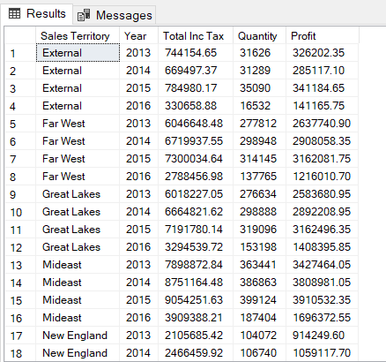

Report 2
Project Name: | Final MSTR Project
Trainee Name: | Atharva Shirsalkar
Report Name | Top 5 State Province | Top 5 Customers | Top 5 Employees for a selected Fiscal Year
Description | This report gives top 5 state province, top 5 customers and top 5 employees by Total sales inclusive of taxes.
Custom SQL Date | 29th May 2023

select top 5 'Top 5 State Province' [Top 5], [State Province], sum([Total Excluding Tax]) as [Total Excluding Tax] from Dimension.City c inner join Fact.Sale s on c.[City Key]=s.[City Key] inner join Dimension.[Date] d on s.[Invoice Date Key]=d.[Date] where d.[Fiscal Year]=2015 group by [State Province] order by 3 desc; select top 5 'Top 5 Customers' [Top 5], max(c.Customer) as [Customer], sum([Total Excluding Tax]) as [Total Excluding Tax] from Dimension.Customer c inner join Fact.Sale s on c.[Customer Key]=s.[Customer Key] inner join Dimension.[Date] d on s.[Invoice Date Key]=d.[Date] where d.[Fiscal Year]=2015 group by c.[Customer Key] order by 3 desc; select top 5 'Top 5 Employee' [Top 5], max(Employee) as [Employee], sum([Total Excluding Tax]) as [Total Excluding Tax] from Dimension.Employee e inner join Fact.Sale s on e.[Employee Key]=s.[Salesperson Key] inner join Dimension.[Date] d on s.[Invoice Date Key]=d.[Date] where d.[Fiscal Year]=2015 group by [Employee Key] order by 3 desc; |  | 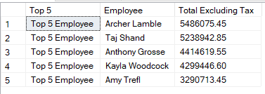 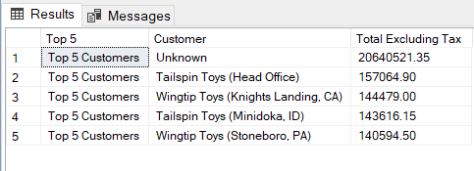

Report 3
Project Name: | Final MSTR Project
Trainee Name: | Atharva Shirsalkar
Report Name | Sales for Time and Geography
Description | This report displays Total Exc Tax and Quantity for selected Time period and Geography
Custom SQL Date | 29th May 2023

select [Calendar Year] ,[Sales Territory] ,sum([Total Excluding Tax]) as [Total Exc Tax], sum([Quantity]) as [Quantity] from Dimension.City c inner join Fact.Sale s on c.[City Key]=s.[City Key] inner join Dimension.[Date] d on d.Date=s.[Invoice Date Key] group by [Calendar Year],[Sales Territory] |  | 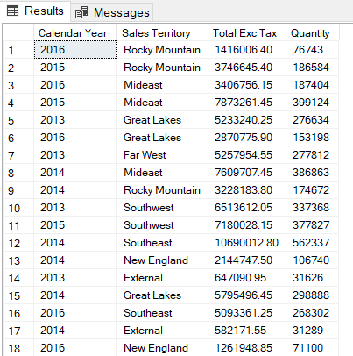

Report 4
Project Name: | Final MSTR Project
Trainee Name: | Atharva Shirsalkar
Report Name | Item ordered but never Picked up for delivery by Month
Description | This report displays Stock Item wise Sales and Unit Sold for all Stock item which were not picked up for delivery.
Custom SQL Date | 29th May 2023

select [Calendar Month Label], [Stock Item], sum([Total Including Tax]) as [Total Inc Tax], sum([Quantity]) as [Quantity] from Fact.[Order] o inner join Dimension.[Stock Item] si on o.[Stock Item Key]=si.[Stock Item Key] inner join Dimension.[Date] d on d.Date=o.[Order Date Key] where [Picked Date Key] is NULL group by [Calendar Month Label], [Stock Item] order by 1 desc,4 desc |  | 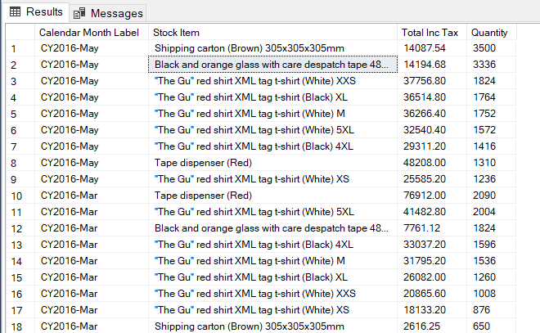

Report 6
Project Name: | Final MSTR Project
Trainee Name: | Atharva Shirsalkar
Report Name | Contribution of each City to its Territory and Province
Description | This report display the contribution that each city makes excl taxes to it State Province and State Territory
Custom SQL Date | 29th May 2023

with r1 as ( select c.[Sales Territory], sum(s.[Total Excluding Tax]) as [Total Excluding Tax] from fact.Sale s inner join Dimension.City c on s.[City Key] = c.[City Key] group by c.[Sales Territory] ), r2 as ( select c.[Sales Territory],c.[State Province], sum(s.[Total Excluding Tax]) as [Total Excluding Tax] from fact.Sale s inner join Dimension.City c on s.[City Key] = c.[City Key] group by c.[State Province],c.[Sales Territory] ), r3 as ( select c.[State Province],c.City, sum(s.[Total Excluding Tax]) as [Total Excluding Tax] from fact.Sale s inner join Dimension.City c on s.[City Key] = c.[City Key] group by c.[State Province], c.[City Key] ,c.City ) select r1.[Sales Territory],r2.[State Province],r3.City,r3.[Total Excluding Tax] as [City Total], r2.[Total Excluding Tax] as [Province Total], r1.[Total Excluding Tax] as [Territory Total] from r1 inner join r2 on r1.[Sales Territory] = r2.[Sales Territory] inner join r3 on r2.[State Province] = r3.[State Province] order by 1,2; |  | 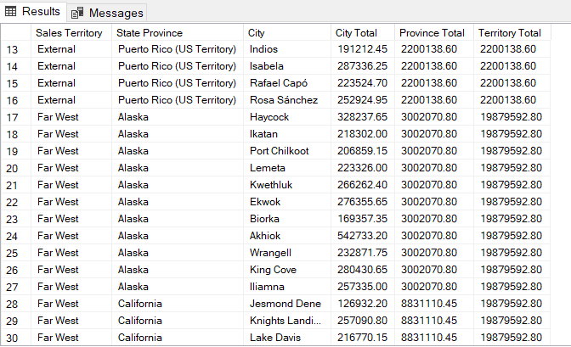 SQL Output Snapshot

